.
Photo | BRAND | BARCODE | Description | Units | RRP | Line RRP
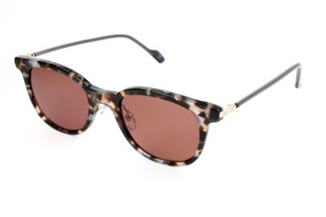 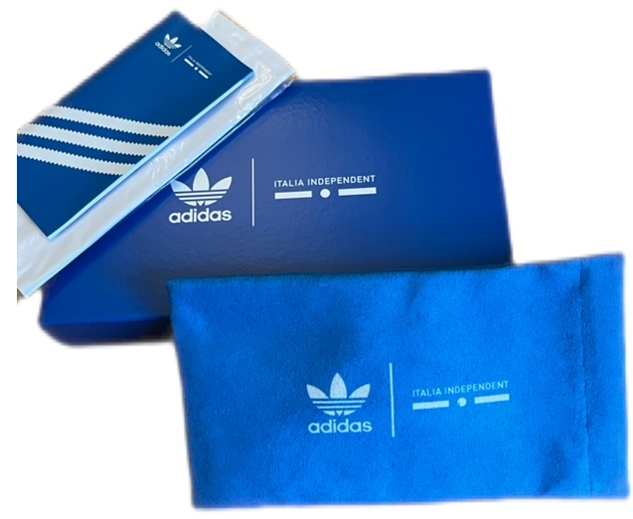 | Adidas | 8055341259190 | ADI SUN AOK003 CK4089 147.PLR 51 21 145 | 25 | € 138.89 | € 3,472.25
 | Adidas | 8055341298007 | ADI SUN AOR017/N 148.009 47 23 140 | 25 | € 99.00 | € 2,475.00
8055341261025 | Adidas | 8055341261025 | ADI SUN AOR023 CL1657 043.041 48 22 145 | 20 | € 99.00 | € 1,980.00
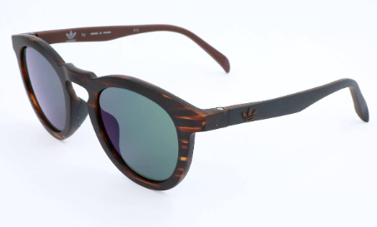 8055341297994 | Adidas | 8055341297994 | ADI SUN AOR017/N 092.000 47 23 140 | 20 | € 99.00 | € 1,980.00
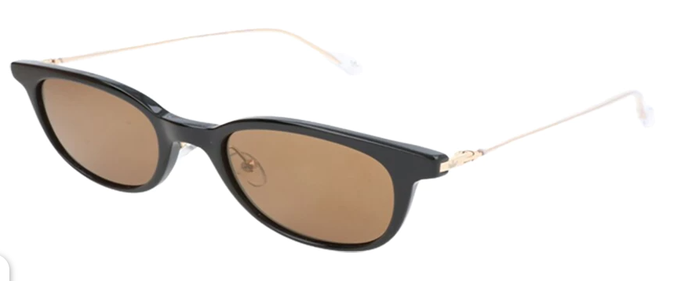 8055341259152 | Adidas | 8055341259152 | ADI SUN AOK003 CK4085 009.000 51 21 145 | 10 | € 138.99 | € 1,389.90
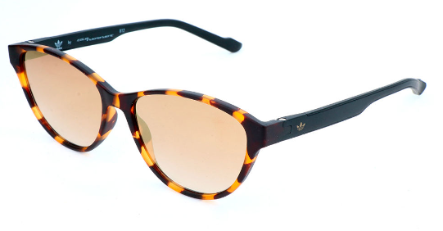 8055341297413 | Adidas | 8055341297413 | ADI SUN AOR029 CM1390 092.009 55 15 145 | 25 | € 99.00 | € 2,475.00
8055341298014 | Adidas | 8055341298014 | ADI SUN AOR017/N 153.009 47 23 140 | 25 | € 99.00 | € 2,475.00
8055341226628 | Adidas | 8055341226628 | ADI SUN AOR014 BI4764 DSY.070 50 21 140 | 24 | € 99.00 | € 2,376.00
8055341297901 | Adidas | 8055341297901 | ADI SUN AOR016/N 009.009 49 25 140 | 24 | € 99.00 | € 2,376.00
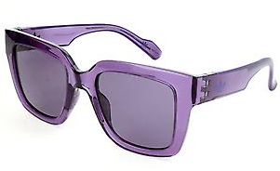 8055341258964 | Adidas | 8055341258964 | ADI SUN AOG004 CK4134 017.000 51 20 140 | 20 | € 119.00 | € 2,380.00
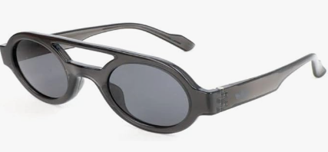 8055341259107 | Adidas | 8055341259107 | ADI SUN AOG001 CK4148 009.000 47 26 140 | 24 | € 119.00 | € 2,856.00
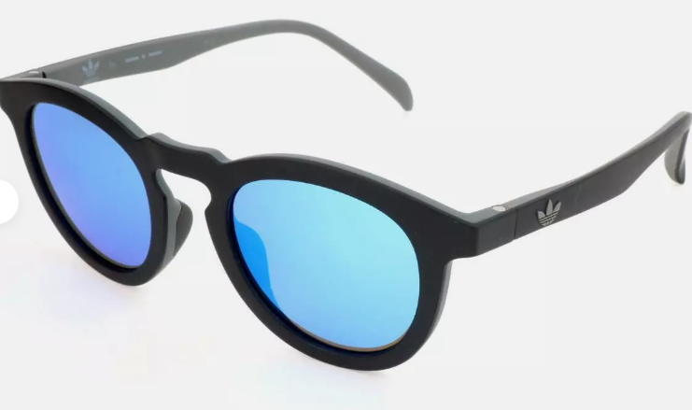 8055341297970 | Adidas | 8055341297970 | ADI SUN AOR017/N 009.070 47 23 140 | 99 | € 99.00 | € 9,801.00
8055341226741 | Adidas | 8055341226741 | ADI SUN AOR016 BI4776 019.040 49 25 140 | 24 | € 99.00 | € 2,376.00
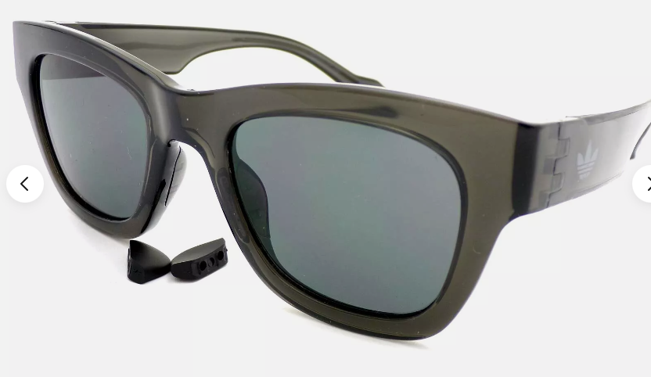 8055341259053 | Adidas | 8055341259053 | ADI SUN AOG003 CK4143 009.000 50 22 145 | 24 | € 119.00 | € 2,856.00
8055341260974 | Adidas | 8055341260974 | ADI SUN AOR022 CL1652 043.041 48 24 145 | 34 | € 99.00 | € 3,366.00
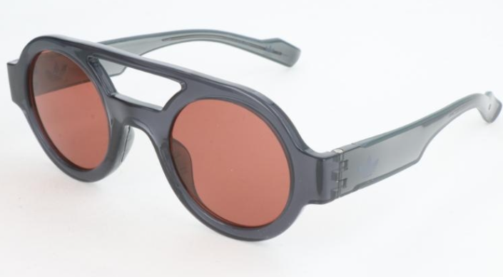 8055341259145 | Adidas | 8055341259145 | ADI SUN AOG001 CK4152 070.000 47 26 140 | 29 | € 119.00 | € 3,451.00
8055341260950 | Adidas | 8055341260950 | ADI SUN AOR022 CL1649 009.009 48 24 145 | 24 | € 99.00 | € 2,376.00
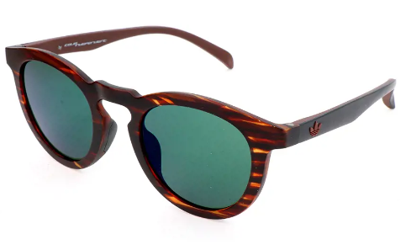 8055341257417 | Adidas | 8055341257417 | ADI SUN AOR017 CK4833 092.000 47 23 140 | 25 | € 99.00 | € 2,475.00
8055341297369 | Adidas | 8055341297369 | ADI SUN AOR028 CM1382 092.009 50 20 145 | 25 | € 99.00 | € 2,475.00
8055341297567 | Adidas | 8055341297567 | ADI SUN AOR032 CM1402 092.009 57 17 145 | 25 | € 99.00 | € 2,475.00
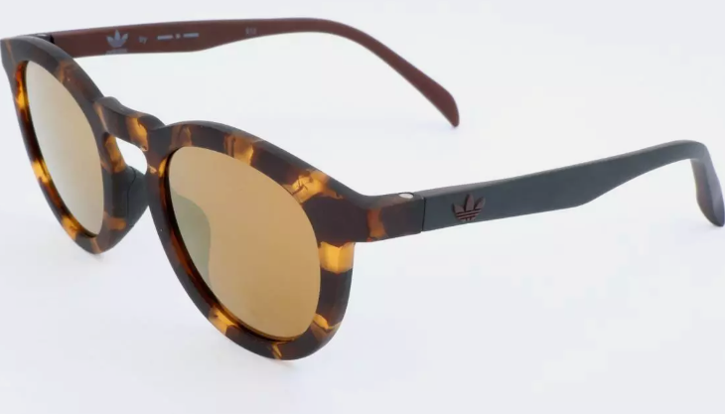 8055341247968 | Adidas | 8055341247968 | ADI SUN AOR017 CI8313 148.009 47 23 140 | 25 | € 99.00 | € 2,475.00
8055341297468 | Adidas | 8055341297468 | ADI SUN AOR030 CM1392 092.009 52 19 145 | 25 | € 99.00 | € 2,475.00
 |  |  | Totals | 601 |  | € 62,836.15

